Sheet1
 | LEGEND | Plan |  | In progress
 |  | Done |  | Not Done |  | LAND ASSET DEPLOYMENT PLAN: LUBRICATION MANAGEMENT EXCELLENCE
S/N | PROJECT STAGE | ACTIVITY DESCRIPTION | TIMELINE | ACTION PARTY | STATUS | Dec-17 | Jan-18 | Feb-18 | Mar-18 | Apr-18 | May-18 | Jun-18 | COMMENT/ Cost implication
Agbada
IMOR
Okoloma
Obigbo
Gbaran
 | L3 | Improve the existing Lube Storage facility ( Agbada as Pilot Facility)- (A. liase with engineering team for modification. B. Go see Agbada 2 Lube store. C. External audit and workshop. D.General store upgrade. E. Carry out 5S activities. F. Carryout site Ownership scheme. 1. Agbada Pilot asset Q4 2017 2. Imo River Feb 2018, 3. Okoloma Mar 2018, 4. Obigbo Apr 2018, 4. Gbaran May 2018. | Jun-18 | Wilcox Emmanuel | Plan |  |  |  |  |  |  |  | IMPROVE: Gap Analysis ( meet functional standard) Leadership engagement . Lubrication Excellence training to production field staff. Gap Closure – Improve on the existing Lube storage facility at the cost of NGN3,095,000 ($10,213.50 @NGN303.0303) ( Agbada as pilot facility) Improve on the existing Lubrication SOP Develop KPI and Visual Management BEST IN CLASS PRACTISE : (Meet Global Standard) - $137,748.5 per facility; Improve existing Lube storage to functional standard status excluding infrastructure and Civil works - $10,213.50 Train & Certify staff on LME - $43K Filtration and storage system - $79,535 Miscellaneous- $5K
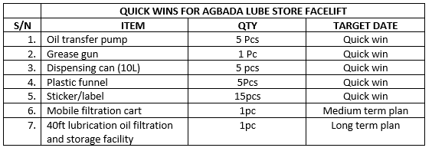
1 |  | liaise with asset on Agbada Lube store improvement. |  |  | Happily completed
2 |  | General store facelift (quick Win)- source for handling tools (hand pump, dispensing containers, stickers, funnels, plastic bags, plastic drums for tools storage. | Mar-18 | Stella Okoye | Happy Mood
 |  | A. Market survey for handling tools |  | Stella Okoye | Happy ly Completed
 |  | B. P-card to procure handling tools |  | Olachi Ubochi | On track
 |  | C. Mobilize to site for implementation |  | Jude Akogwu | On track
 |  | D. Implement quick wins in the asset |  | Stella Okoye | On track
 |  | E. Initial review of the programme |  | Etim Eyo | On track
 |  | F. Confirm programme effectiveness |  | Stella Okoye | On track
 |  | G. commission |  | Wilcox Emmanuel | On track
3 |  | . Carry out 5S activities. | 15th Feb 2018 | Jude Akogwu | On track
4 |  | Carryout site Ownership scheme. | 31st Jan 2018 | Olaleye oladosu | On track
5 |  | . Deployment Plan: - 1. Agbada Pilot asset Q4 2017 2. Imo River Feb 2018, 3. Okoloma March 2018, 4. Obigbo Apriel 2018, 4. Gbaran May 2018. | Jun-18 |  | On track
 |  | A. Agbada | Feb-18 |  | On track |  |  |  |  |  |  |  | 1. develop A3 charter 2. conduct workshop 3. carryout assesment 4. implement quick wins 5. Initial review
 |  | B. Iimo River | Mar-18 |  | On track
 |  | C. Okoloma | Apr-18 |  | On track
 |  | D. Obigbo | May-18 |  | On track
 |  | E. Gbaran | Jun-18 |  | On track

